Posting to Ledger
Chart of Accounts

Assets | Revenue | Expenses
Cash | Fee Earned | Wage Expense
 |  | Rent Expense
 |  | Utilities Expense
 |  | Supplies Expense |  | D + E + A = L + E + R
 |  | Insurance Expense |  | Div + Expense + Assets = Liability + Owner's Equity + Revenue
 |  | Advertising Expense |  | Dividends | Expense | Assets | Liability | Owner's Equity | Revenue
 |  | Miscellaneous Expense | Debits | + | + | + | - | - | -
 |  |  | Credits | - | - | - | + | + | +

 |  |  | Journal |  |  |  |  |  |  | Ledger

 |  |  | Date | Account |  | Debit | Credit |  |  | Cash |  | --copy from Journal-- |  | --Running Balance--
 |  |  | 2025-06-01 | Rent Expense |  | 2000 |  |  | --POSTING--> | Date | Item | Debit | Credit | Debit | Credit
 |  |  |  | Cash | X |  | 2000 |  |  | 2025-06-01 |  |  | 2000 |  | 2000
 |  |  | 2025-06-05 | Cash | X | 800 |  |  |  | 2025-06-05 |  | 800 |  |  | 1200
 |  |  |  | Fee Earned |  |  | 800
 |  |  | 2025-06-08 | Wage Expense |  | 500
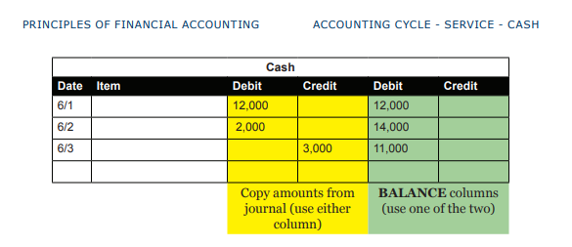
 |  |  |  | Cash |  |  | 500
 |  |  | 2025-06-10 | Cash |  | 600
 |  |  |  | Fees Earned |  |  | 600

site: | https://www.nytechnologist.com/beyondthebasics/

